1. Title Page
[Instacart Basket Analysis]

Project Name: Instacart Basket Analysis
Date: 12/01/2022
Analyst Name: Mauricio Barrera

Contents:
Population Flow
Consistency checks
Wrangling steps
Column derivations
Visualizations
Recommendations

Data source: The Instacart Online Grocery Shopping Dataset 2017”, Accessed from https://www.instacart.com/datasets/grocery-shopping-2017 on 10/20/2022.

2. Population Flow
Title page

Population flow

Orders_products_combined
Orders_products_merged
Orders_products_all

Total: 32,404,859
Total: 32,434,489
Total: 32,404,859

1.) The grey boxes in the first row of the population flow represent the original data sets as they were when you downloaded them. In the Total fields you need to add the count of the rows when you imported the data set into Jupyter.
2.) The second row of boxes (coloured) represents the data sets after you manipulated them, e.g., removed missing values and duplicates. In the Total fields you need to add the count of the rows after conducting these operations. This offers a visual oveview of how the data flows throughout the data consistency checks.
3.) The third row, where also the arrows are coloured, represents the merges you performed between the datasets. In the Total fields you need to add the count of the rows in the merged datasets, so that you end up with the final dataset (in the red box). Keep in mind the final dataset should be without exclusions (based on the exclusion flag).

3. Consistency checks
 |  |  |  | Title page
Consistency checks

Dataset | Missing values | Missing values treatment | Duplicates
orders | days_since_prior_order: 206,209 missing values | These missing values were used to determine which of the whole set of customer were new, following the logic, if they didn't have a previus order that one was the first order, we used this information to create a new flag to separate existing customer from new customer | N/A
products | product_name: 16 missing values | Missing values were move to a secondary data set and an updated date set was created without the missing values | 5 duplicate found
orders_products_prior | N/A | N/A | N/A
customers | first_name: 11,259 missing values | This missing data didn't represent a problem for the analysis because the custmer still have it customer id which is it's unique indentication number | N/A

4. Wrangling steps
 |  |  |  |  | Title page
Wrangling steps

Data set | Columns dropped | Columns renamed | Columns' type changed | Comment/Reason
 | eval_set |  |  | innecesary values
Orders |  | order_dow |  | renamed to orders_day_of_week
 |  |  | order_id | changed from interger to string
 |  |  | user_id | changed from interger to string
 |  | First Name |  | Renemaed to first_name
 |  | Surnam |  | Renamed to last_name
Customers |  | Gender |  | Renamed to gender
 |  | STATE |  | Renamed to gender
 |  | Age |  | Renamed to age
 |  | n_dependents |  | Renamed to dependents
orders_products_merged |  | busiest day |  | whole column was changed to busiest days
 | Prices* |  |  | Some prices were removed due being outliners in the data set, although the rest stayed the same
Departments | index |  |  | Index was reseted and replaced with the headers
merged_final | _merge |  |  | Was dropped because as a final product this indicator column is no longer needed

5. Column derivations
 |  |  |  | Title page
In this tab you should add tables below that the frequences of flags/label variables that you produced after deriving them. NB: don't do this for continuous variables, only for flags.
Column derivations and aggregations

Dataset | New column | Column/s it was derived from | Conditions
 | price_range | prices | If the price is less than or equal to $5, then low-range product If the priceis between $5 and $15, then mid-range product If the price is greater than $15, then high-range product
 | busiest_day | orders_day_of_week | If day is 0, then busiest day flag If day is 4, then least busy flag If else, then regularly busy flag
order_products_merged.pkl | busiest_days | orders_day_of_week | If day is either 0 or 1, then "busiest days" If day is either 3 or 4, then "slowest days" If else, then "regularly busy"
 | busiest_period_of_day | order_hour_of_day | If the hour falls from 9 to 16, then flagged as most orders If the hour less than 6, then flagged as fewest orders If else, then flagged as average orders

 | max_order | user_id, order_number | Define what is the maximum orders per customer
 | loyalty_flag | max_order | If customer has more than 40 orders, then flagged as loyal customer If customer has between 10 and 40 orders, then as regular customer If customer has less than 10, then as new customer
 | average_price | user_id, prices | Define what is the average price per customer
merged_data_good.pkl | spending_flag | average_price | If the price is less than 10$, then flagged as low spender If price is greater than or equal to 10$, then flagged as high spender
 | median_order_frequency | user_id, days_since_prior_order | defines the median order frequency per customer
 | order_frequency_flag | median_order_frequency | If the order frequency is less than 20, then flagged as non-frequent customer If order frequency is between 20 and 10, then flagged as regular customer If order frequency is lower than 10, then flagged as frequent customer

 | department | department_id | Data dictionary was used from departments_wrangled.csv
 | region | state | northeast groups is ['Maine','New Hampshire','Vermont','Massachusetts','Rhode Island','Connecticut','New York','Pennsylvania','New Jersey'] midwest group is ['Wisconsin','Michigan','Illinois','Indiana','Ohio','North Dakota','South Dakota','Nebraska','Kansas','Minnesota','Iowa','Missouri'] south groups is ['Delaware','Maryland','District of Columbia','Virginia','West Virginia','North Carolina','South Carolina','Georgia','Florida','Kentucky', 'Tennessee','Mississippi','Alabama','Oklahoma','Texas','Arkansas','Louisiana'] west group is ['Idaho','Montana','Wyoming','Nevada','Utah','Colorado','Arizona','New Mexico','Alaska','Washington','Oregon','California','Hawaii']
merged_final.pkl | activity | max_order | If the max order is 5 or more, then flagged as high_activity If max order is less than 5, then flagged as low_activity
 | age_group | age | If the customer is 25 years or younger, then flagged as Young Adult If the customer is between 26 and 64, then flagged as Adult If the customer is 65 years or older, then flagged as Senior
 | income_group | income | If the income is less than 50,000, then low income If the income is 50,000 or more and less than 150,000, then middle income If the income is greater than 150,000, then high income
 | family_size | dependents | If the dependets are less than 2, then flagged as small famiily If the dependents are 2, then flagged as medium family If the dependents are greater than 3, then flagged as big family
 | alcohol_consumer | department | If any order contain items from alcohol department the flagged as yes If no order contain items from alcohol department then flagged as no

6. Visualizations
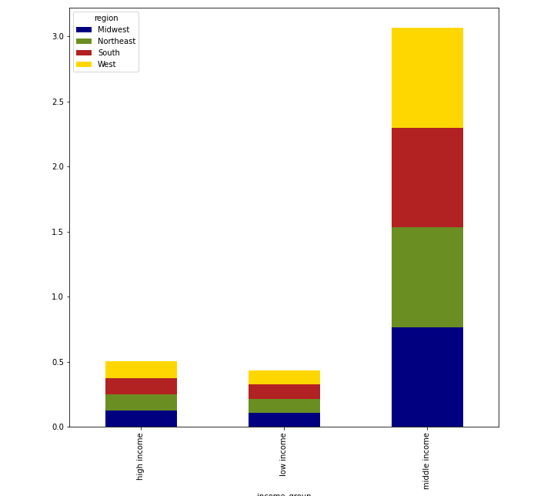
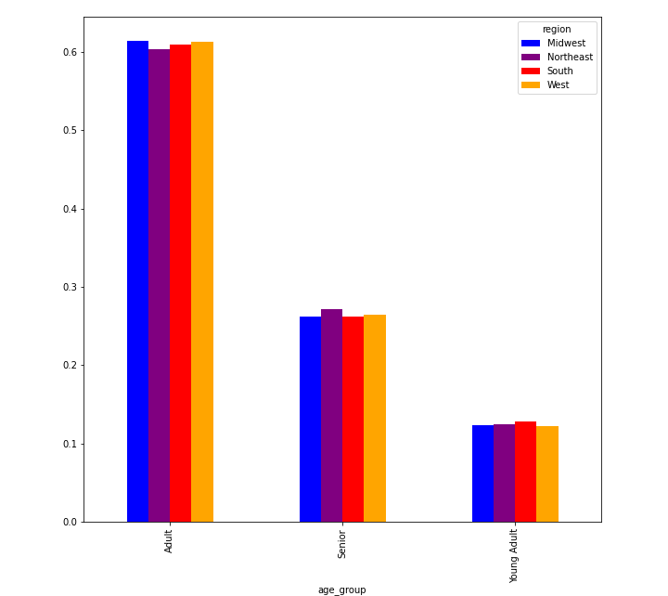
 |  |  |  |  |  |  |  | Title page

Visualizations

In this tab you should include all the visualizations from Exercises 4.9 and 4.10, alongside the questions from the project brief that they answer. Include any commentary on the relationship between different variables.

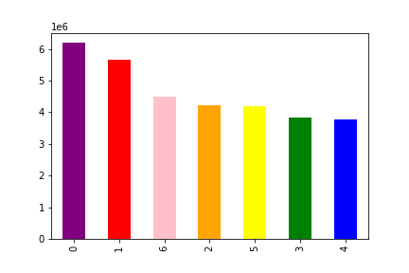
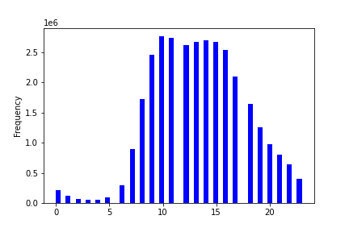
Q1. The sales team needs to know what the busiest days of the week and hours of the days are (i.e., the days and times with the most orders) in order to schedule ads at times where there are fewer orders.

 |  |  |  | Days
 |  |  |  | 0 | Saturday
 |  |  |  | 1 | Sunday
 |  |  |  | 2 | Monday
 |  |  |  | 3 | Tuesday
 |  |  |  | 4 | Wednesday
 |  |  |  | 5 | Thursday
 |  |  |  | 6 | Friday

This chart represents how many orders where place by days of the weeks being Saturday (0) the highest and Wednesday the lowest (4) |  |  |  |  |  | This chart shows how the distribution of the orders is between all the hours of the day, the most busiest hour is 10 AM but the variation from 9 AM to 4pm is minimal and the least busy hours is from 11 PM to 6 AM

Q2. They also want to know whether there are particular times of the day when people spend the most money, as this might inform the type of products they advertise at these times.
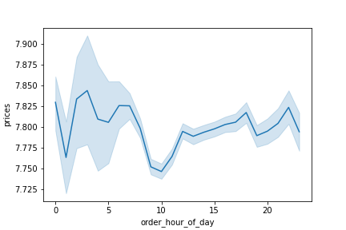

 |  | In the chart we can see that the time that customers spend the most money is at 4 am and the time they spend the least on average is at 10 AM, but in general it is a really small difference

Q3. Instacart has a lot of products with different price tags. Marketing and sales want to use simpler price range groupings to help direct their efforts.

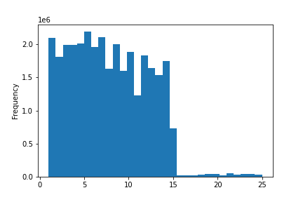

 |  | Most of the prices range from 1 to 15 dollars, there is very few prices that exceed 15 dollars, the new price range grouping could be from 15 and more as high range, from 5 to 15 dollars mid range and less than 5 low range prices, but this would be up to the marketing team decision

Q4. Are there certain types of products that are more popular than others? The marketing and sales teams want to know which departments have the highest frequency of product orders

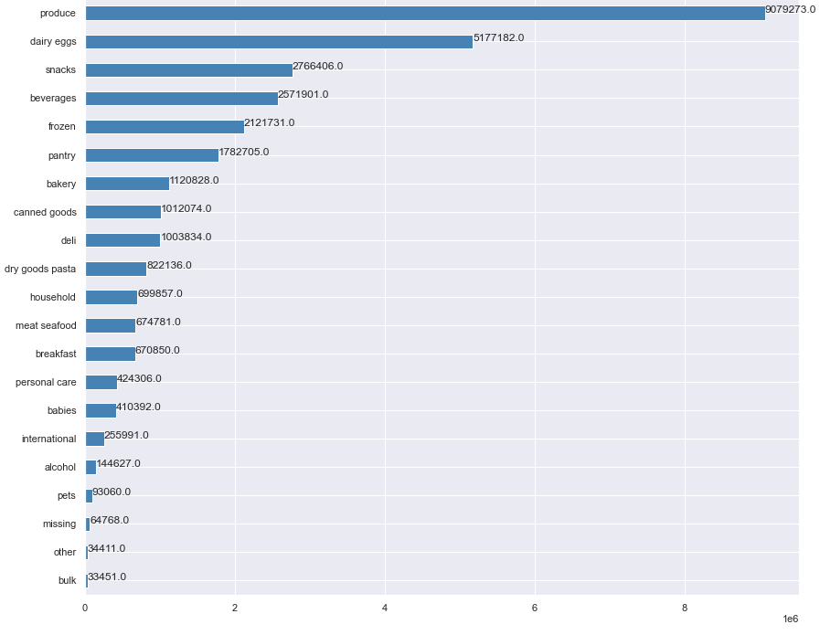

 |  | The department with a considerable higher number of product ordered is the produce department, followed by the dairy eggs, the departments with the least ordered items are bulk and other

Q5. The marketing and sales teams are particularly interested in the different types of customers in their system and how their ordering behaviors differ.

 | Income profile |  |  |  | Family size profile
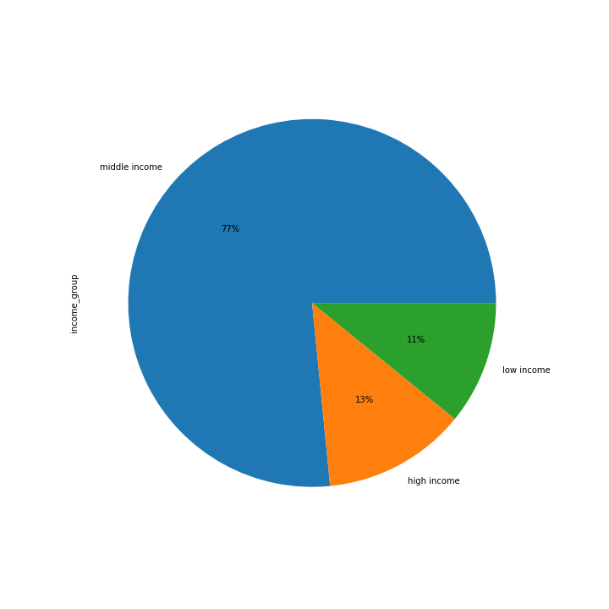
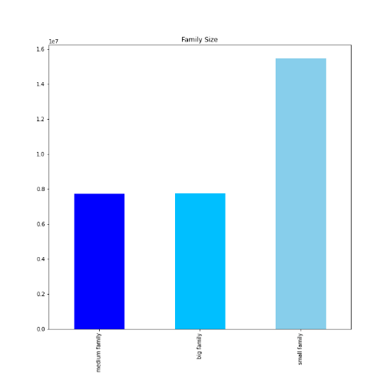

 |  |  |  |  |  |  | Multiple customer profiles were created to make it easier for the marketing and sales team to group customers and target marketing campaings by profile and make them more effective

 | Age profile |  |  |  | Alcohol consumer profile
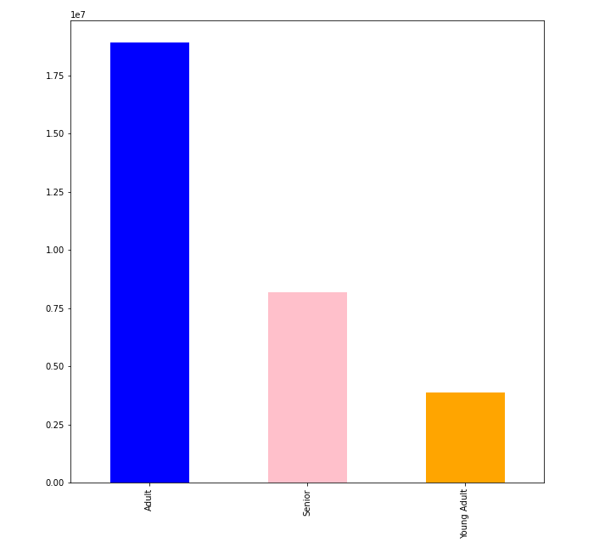
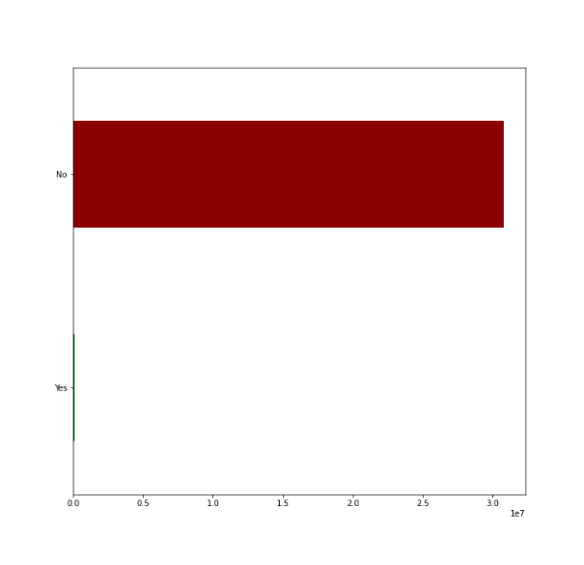

Q6. Is there any difference in the behavior of the customer profile in the different regions

 | Alcohol comparation |  |  |  |  | Family size comparation
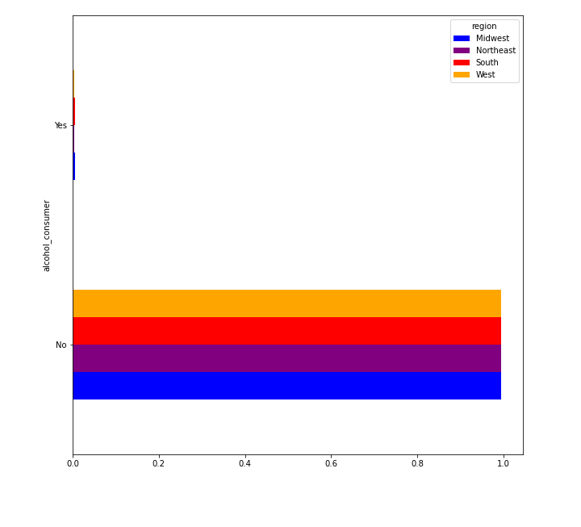
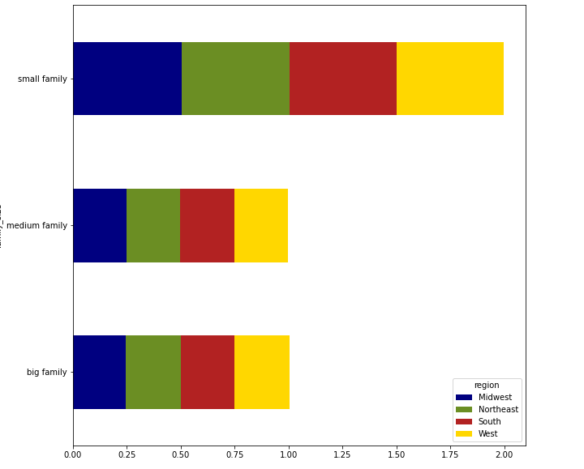

 |  |  | In all the cases when the comparation of profiles by region was made the difference between the regions is not a important difference or neither we could find something that highlights out of the usual

 | Income comparation |  |  |  |  | Age comparation

7. Recommendations
 |  | Title page

Recommendations

In this tab you should include any recommendations you would made to Instacart in terms of their marketing strategy based on the questions posed in the brief. Every key question has been covered in the Tasks of the Exercises - here you need to add an item - a visualization or table/cross table that is showing the answer in the data, accompanied by a comment from you. Please, list the questions below and add the answer underneath.

Question | Answer
Key Question 1 | My recommendation would be to create marketing plans targeting Tuesday, Wednesday and Thursday to increase the flow of orders for these days and take advantage of the high order flows on the weekends to help low performance items get more attention
Key Question 2 | It seems that the late night impulsive purchase also affect Instacart customers that’s why the time that they spend the most money is around 4 AM, this can be exploited if the most interesting items get advertise around this time
Key Question 3 | My recommendation would be to create new grouping by price range to reduce the values these new price range grouping could be: from 15 dollars and more as high-range item, from 5 to 15 dollars mid-range item and less than 5 dollars low-range items, but this would be up to the marketing team decision
Key Question 4 | My recommendation would be to provide Instacart buyers and drivers with the right tools to be able to preserve and protect the produce, eggs and dairy products while transporting it to the customer due to it high demand ensuring the quality of these product must be a priority
Key Question 5 | Analyze the behavior of the current customer that are enclosed in a specific profile to be able to personalize advertisement and the product that get recommended to maximize it effectiveness, creating this marketing profile would help to attract and keep new customer with a personalized experience
Key Question 6 | My recommendation would be to put all the effort in creating marketing plans that apply to all Instacart customer, without excluding any region neither targeting a specific region because the buying patterns doesn't get affect by region in a big scale

